Sheet1
Gamma |  | Policy Evaluation Table |  |  |  | Policy
0.8 | Messi | Suarez | Scored |  | Messi | Suarez | Scored
 | 0.0 | 0.0 | 0.0 |  | Pass | Pass | Return
 | -1.0 | -1.0 | 2.0
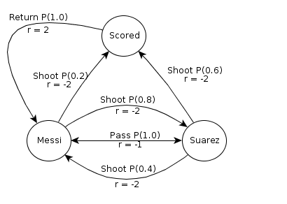
 | -1.8 | -1.8 | 1.2
 | -2.4 | -2.4 | 0.6
 | -3.0 | -3.0 | 0.0
 | -3.4 | -3.4 | -0.4
 | -3.7 | -3.7 | -0.7
 | -4.0 | -4.0 | -1.0
 | -4.2 | -4.2 | -1.2
 | -4.3 | -4.3 | -1.3
 | -4.5 | -4.5 | -1.5
 | -4.6 | -4.6 | -1.6
 | -4.7 | -4.7 | -1.7
 | -4.7 | -4.7 | -1.7
 | -4.8 | -4.8 | -1.8
 | -4.8 | -4.8 | -1.8
 | -4.9 | -4.9 | -1.9
 | -4.9 | -4.9 | -1.9
 | -4.9 | -4.9 | -1.9
 | -4.9 | -4.9 | -1.9
 | -4.9 | -4.9 | -1.9
 | -5.0 | -5.0 | -2.0
 | -5.0 | -5.0 | -2.0

 |  | Extracted Values
 | -5.0 | -5.0 | -2.0

 |  | Policy Update
 | Q(M, p) | Q(M, s) | Q(S, p) | Q(S, s) | Q(Scored)
 | -5.0 | -5.52 | -5.0 | -4.56 | -2

 |  | New Policy
 | Messi | Suarez | Scored
 | Pass | Shoot | Return

